BASIC
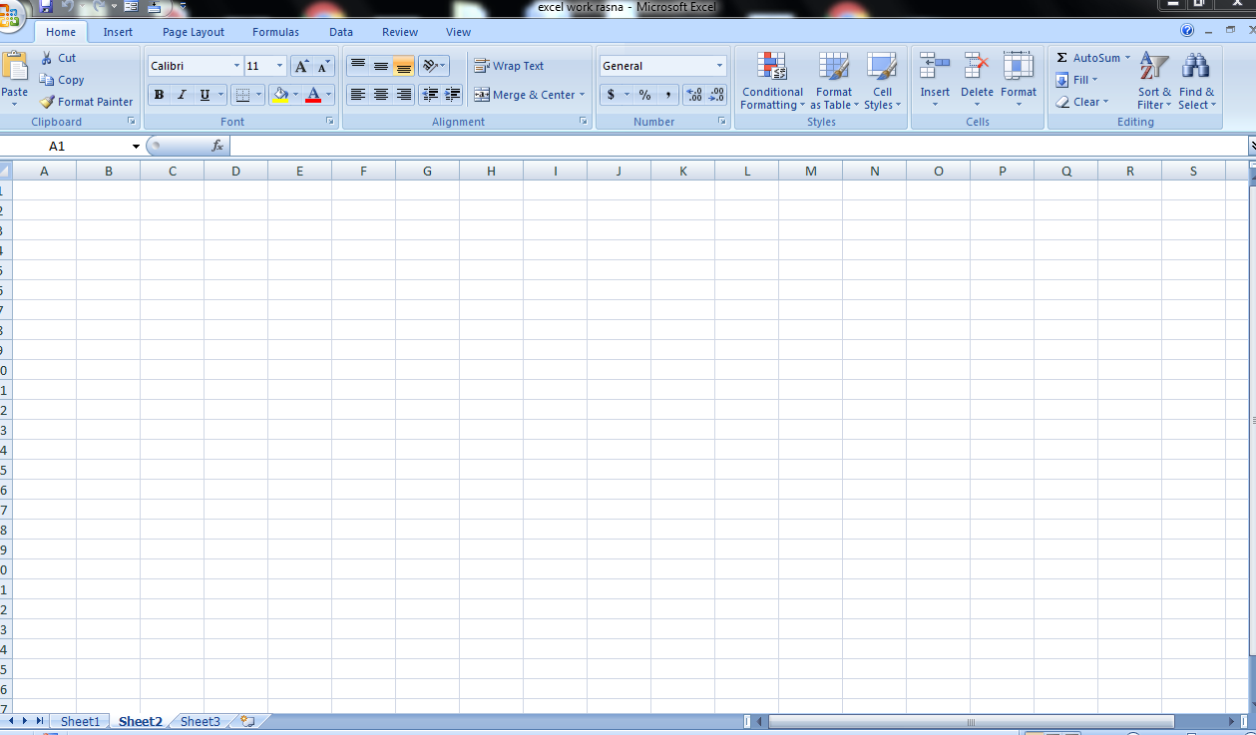

Worksheet

SHEET1

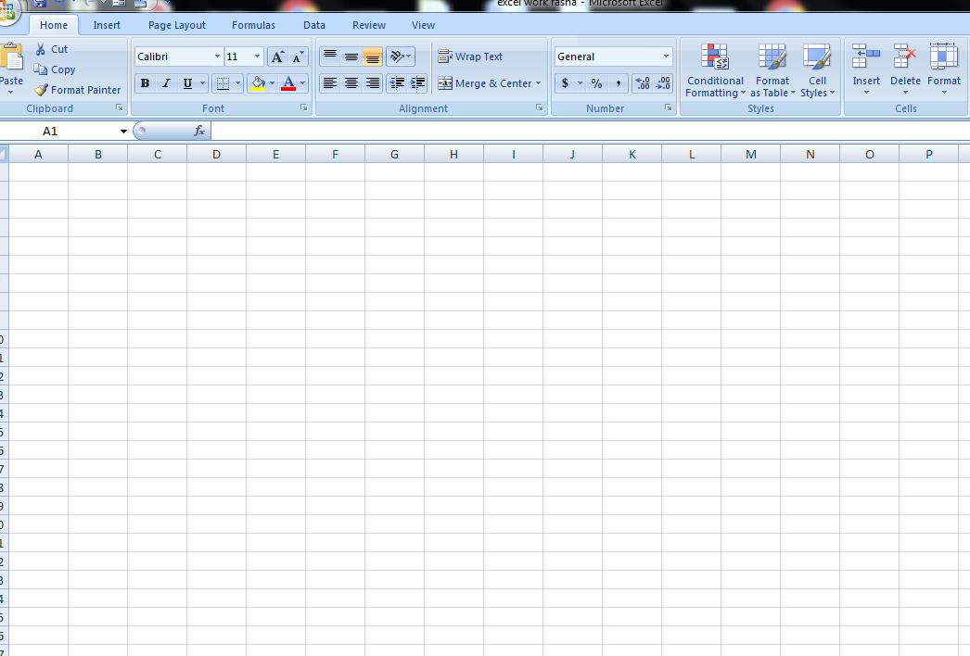

A1

Cell name

Formula bar

Ribbion

CHARTS
CHARTS
 | shortcut key ALT+F1
 |  |  |  |  |  |  | CHART TITLE

 |  | ANNUAL SALES
 |  |  |  | ONLINE SALES | STORE SALES
 |  |  | TSHIRT | 40000 | 250000
 |  |  | JOGGERS | 3000000 | 200000
 |  |  | JORDANS | 3000000 | 150000

 |  |  | A CHART IS ATOOL YOU CAN USE IN EXCELTO COMMUNICATE DATA GRAPHICALLY CHARTS ALLOW YOUR AUDIENCE TO SEE MEANING BEHIND THE NO. AND THEY MAKE SHOWING COMPARISON AND TRENDS MMMUCH EASIER.

 |  |  |  |  |  | CHANGING THE COLORS, ADDING ,IMAGES

FINANCE FUNCTION
FINANCE FUNCTIONS
 | HOME LOAN
THE EXCEL FINANCIAL FUNCTIONS HAVE BEEN MADE AVAILABLE TO EXECCCCUTE A VARIETY OF FINANCIAL CALCULATIONS INCLUDING CALCULATIUONS OF YIELD INVESTMENT VALUATIONS INTEREST RATES INTERNAL RATE OF RETURN ASSET DEPRECIATION AND PAYMENTS.
 |  | PV RATE NPER | TOTAL HOME PPRICE | $600,000,000

 |  |  | INTERESTS RATE(p.a) | 5%
 |  |  | NO.OF PERIODS(YRS) | 30

 |  | PMT | MONTHLY PAYMENT | ($3,220,929.74)

 |  |  | TOTAL AMOUNT PAID | ($1,159,534,705.71)

PEOJECTS
 | LINK TO MY PROJECT




STUDENTS MARKSHEET |  | EMPLOYEE PLAYROLL

